User Guide
Bridgelux® Product Simulator
User Guide

What does it do?

Use this tool to select the most suitable Bridgelux® LED Array for an application. You can choose the array based on either the DRIVE CURRENT you want to use or the LUMEN OUTPUT you require.

What products are supported?

This tool will help you select Bridgelux® Gen. 7 Vero® Series, V Series™ and H Series™ arrays.

How do I use the Product Simulator?

1. Enter basic information about your application in Section 1 of the Simulator
· Select the required CCT and CRI from the drop down menu:
· Enter the operating Case Temperature in degrees Celsius:

2. If you are designing to a fixed DRIVE CURRENT go to Section 2 and enter the required drive
 | current

· The Simulator will show product options for Gen. 7 Vero, V Series
 | and H Series products.
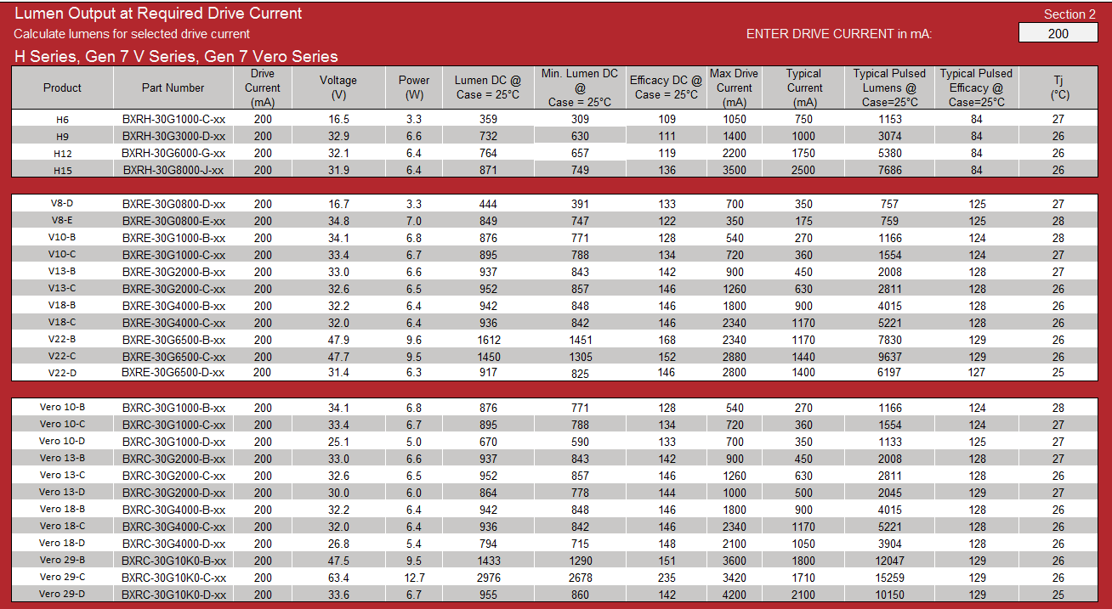

3. If you are designing to meet a required LUMEN target, use Section 3 of the Simulator and
 | enter required lumen value:

· The Simulator will show product options and required drive currents for Gen. 7 Vero and V Series products
· The Simulator will show product options for Gen. 7 Vero, V Series
 | and H Series products.
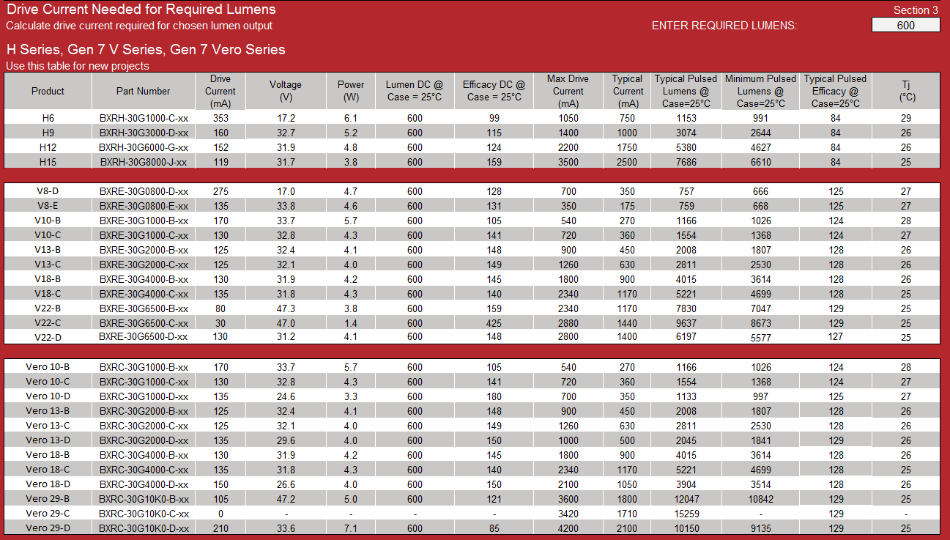

Note: typical lumen tested under pulsed condition (10ms pulse width) at nominal test current where Tj (junction temperature) = Tc (case temperature) = 25°C

How do I read the Part Number?

For product nomenclature refer to product datasheets.

As an example, the part number designation for Bridgelux Gen. 7 Vero LED arrays is explained as follows:

BXRC – AB C DEFG – H – IJ

Where:

BXRC – Designates product family
AB – Designates the nominal color temperature; 27 = 2700K, 30 = 3000K, etc.
C – Designates minimum CRI; H = 97 typical
DEFG – Designates nominal flux; 2000 = 2,000lm, 4000 = 4,000 lm, 10K0 = 10,000 lm, etc.
H – Designates array configuration
IJ – Designates CCT Bin options
 | 72 = 2 SDCM
 | 73 = 3 SDCM

Disclaimer
Please note that the Product Simulator is solely intended to help ease your selection of Bridgelux LED array products based upon your selection of attribute options for each of the criteria provided in the Product Simulator. The Product Simulator is NOT intended as a design tool for luminaire or fixture products nor intended for the selection of LED array products to be used as a component in a particular luminaire or fixture application. Bridgelux disclaims all liability for the results of any product selection through the use of the Product Simulator.

1. Calculated values in the Product Simulator are measured under stabilized direct current conditions to more accurately represent the COB performance in a typical fixture application. Please refer to the appropriate COB Datasheet and Product Selection Guide for pulsed measurement specifications.

Simulator
 | Bridgelux Product Simulator
 |  |  |  |  |  |  |  |  |  |  |  |  | Rev 8
 |  |  |  |  |  |  |  |  |  |  | Valid Until |  | 31-Dec-17
 | Enter color and temperature values: |  |  |  |  |  |  |  |  |  |  |  | Section 1
Calculated values in the Product Simulator are measured under stabilized direct current conditions to more accurately represent the COB performance at typical application. DC vs. Pulse conditions will produce differing performance measurements. Please refer to the appropriate COB Datasheet and Production Selection Guides for pulsed measurement specifications.
 |  |  |  | Color Temperature and CRI: | 3000K 90 CRI |  |  | 30G

 |  |  |  | Case Temperature (°C): | 45

 | Case

 | Lumen Output at Required Drive Current |  |  |  |  |  |  |  |  |  |  |  | Section 2
 | Calculate lumens for selected drive current |  |  |  |  |  |  |  |  |  | ENTER DRIVE CURRENT in mA: |  | 360
 | H Series, Gen 7 V Series, Gen 7 Vero Series
 | Product | Part Number | Drive Current (mA) | Voltage (V) | Power (W) | Lumen DC @ Case = 45°C | Min. Lumen DC @ Case = 45°C | Efficacy DC @ Case = 45°C | Max Drive Current (mA) | Typical Current (mA) | Typical Pulsed Lumens @ Case=25°C | Typical Pulsed Efficacy @ Case=25°C | Tj (°C)
 | H6 | BXRH-30G1000-C-xx | 360 | 16.9 | 6.1 | 590 | 507 | 97 | 1050 | 750 | 1153 | 84 | 49
 | H9 | BXRH-30G3000-D-xx | 360 | 33.5 | 12.0 | 1206 | 1037 | 100 | 1400 | 1000 | 3074 | 84 | 48
 | H12 | BXRH-30G6000-G-xx | 360 | 32.1 | 11.6 | 1250 | 1075 | 108 | 2200 | 1750 | 5380 | 84 | 47
 | H15 | BXRH-30G8000-J-xx | 360 | 31.9 | 11.5 | 1354 | 1164 | 118 | 3500 | 2500 | 7686 | 84 | 46

 | V8-D | BXRE-30G0800-D-xx | 360 | 17.2 | 6.2 | 757 | 666 | 122 | 700 | 350 | 757 | 125 | 48
 | V8-E | BXRE-30G0800-E-xx | - | - | - | - | - | - | 350 | 175 | 759 | 125 | -
 | V10-B | BXRE-30G1000-B-xx | 360 | 35.6 | 12.8 | 1425 | 1254 | 111 | 540 | 270 | 1166 | 124 | 51
 | V10-C | BXRE-30G1000-C-xx | 360 | 34.6 | 12.5 | 1487 | 1309 | 119 | 720 | 360 | 1554 | 124 | 50
 | V13-B | BXRE-30G2000-B-xx | 360 | 33.8 | 12.2 | 1581 | 1423 | 130 | 900 | 450 | 2008 | 128 | 48
 | V13-C | BXRE-30G2000-C-xx | 360 | 33.1 | 11.9 | 1620 | 1458 | 136 | 1260 | 630 | 2811 | 128 | 47
 | V18-B | BXRE-30G4000-B-xx | 360 | 32.6 | 11.7 | 1642 | 1478 | 140 | 1800 | 900 | 4015 | 128 | 47
 | V18-C | BXRE-30G4000-C-xx | 360 | 32.2 | 11.6 | 1652 | 1487 | 142 | 2340 | 1170 | 5221 | 128 | 46
 | V22-B | BXRE-30G6500-B-xx | 360 | 48.2 | 17.3 | 2623 | 2361 | 151 | 2340 | 1170 | 7830 | 129 | 46
 | V22-C | BXRE-30G6500-C-xx | 360 | 47.9 | 17.2 | 3008 | 2707 | 175 | 2880 | 1440 | 9637 | 129 | 46
 | V22-D | BXRE-30G6500-D-xx | 360 | 31.5 | 11.4 | 1613 | 1452 | 142 | 2800 | 1400 | 6197 | 127 | 46

 | Vero 10-B | BXRC-30G1000-B-xx | 360 | 35.6 | 12.8 | 1425 | 1254 | 111 | 540 | 270 | 1166 | 124 | 51
 | Vero 10-C | BXRC-30G1000-C-xx | 360 | 34.6 | 12.5 | 1487 | 1309 | 119 | 720 | 360 | 1554 | 124 | 50
 | Vero 10-D | BXRC-30G1000-D-xx | 360 | 26.0 | 9.4 | 1111 | 978 | 118 | 700 | 350 | 1133 | 125 | 50
 | Vero 13-B | BXRC-30G2000-B-xx | 360 | 33.8 | 12.2 | 1581 | 1423 | 130 | 900 | 450 | 2008 | 128 | 48
 | Vero 13-C | BXRC-30G2000-C-xx | 360 | 33.1 | 11.9 | 1620 | 1458 | 136 | 1260 | 630 | 2811 | 128 | 47
 | Vero 13-D | BXRC-30G2000-D-xx | 360 | 30.7 | 11.1 | 1465 | 1319 | 132 | 1000 | 500 | 2050 | 129 | 48
 | Vero 18-B | BXRC-30G4000-B-xx | 360 | 32.6 | 11.7 | 1642 | 1478 | 140 | 1800 | 900 | 4015 | 128 | 47
 | Vero 18-C | BXRC-30G4000-C-xx | 360 | 32.2 | 11.6 | 1652 | 1487 | 142 | 2340 | 1170 | 5221 | 128 | 46
 | Vero 18-D | BXRC-30G4000-D-xx | 360 | 27.0 | 9.7 | 1379 | 1241 | 142 | 2100 | 1050 | 3904 | 128 | 47
 | Vero 29-B | BXRC-30G10K0-B-xx | 360 | 47.5 | 17.1 | 2496 | 2246 | 146 | 3600 | 1800 | 12047 | 129 | 46
 | Vero 29-C | BXRC-30G10K0-C-xx | 360 | 63.5 | 22.8 | 4280 | 3852 | 187 | 3420 | 1710 | 15259 | 129 | 46
 | Vero 29-D | BXRC-30G10K0-D-xx | 360 | 33.6 | 12.1 | 1701 | 1531 | 141 | 4200 | 2100 | 10150 | 129 | 46

 | Drive Current Needed for Required Lumens |  |  |  |  |  |  |  |  |  |  |  | Section 3
 | Calculate drive current required for chosen lumen output |  |  |  |  |  |  |  |  |  | ENTER REQUIRED LUMENS: |  | 4,500
 | H Series, Gen 7 V Series, Gen 7 Vero Series
 | Use this table for new projects
 | Product | Part Number | Drive Current (mA) | Voltage (V) | Power (W) | Lumen DC @ Case = 45°C | Efficacy DC @ Case = 45°C | Max Drive Current (mA) | Typical Current (mA) | Typical Pulsed Lumens @ Case=25°C | Minimum Pulsed Lumens @ Case=25°C | Typical Pulsed Efficacy @ Case=25°C | Tj (°C)

 | H6 | BXRH-30G1000-C-xx | - | - | - | - | - | 1050 | 750 | 1153 | - | 84 | -
 | H9 | BXRH-30G3000-D-xx | - | - | - | - | - | 1400 | 1000 | 3074 | - | 84 | -
 | H12 | BXRH-30G6000-G-xx | 1493 | 35.5 | 53.0 | 4500 | 85 | 2200 | 1750 | 5380 | 4627 | 84 | 52
 | H15 | BXRH-30G8000-J-xx | 1406 | 34.3 | 48.3 | 4500 | 93 | 3500 | 2500 | 7686 | 6610 | 84 | 50

 | V8-D | BXRE-30G0800-D-xx | - | - | - | - | - | 700 | 350 | 757 | - | 125 | -
 | V8-E | BXRE-30G0800-E-xx | - | - | - | - | - | 350 | 175 | 759 | - | 125 | -
 | V10-B | BXRE-30G1000-B-xx | - | - | - | - | - | 540 | 270 | 1166 | - | 124 | -
 | V10-C | BXRE-30G1000-C-xx | - | - | - | - | - | 720 | 360 | 1554 | - | 124 | -
 | V13-B | BXRE-30G2000-B-xx | - | - | - | - | - | 900 | 450 | 2008 | - | 128 | -
 | V13-C | BXRE-30G2000-C-xx | 1115 | 36.5 | 40.7 | 4500 | 111 | 1260 | 630 | 2811 | 2530 | 128 | 53
 | V18-B | BXRE-30G4000-B-xx | 1055 | 35.1 | 37.0 | 4500 | 122 | 1800 | 900 | 4015 | 3614 | 128 | 51
 | V18-C | BXRE-30G4000-C-xx | 1025 | 34.2 | 35.0 | 4500 | 129 | 2340 | 1170 | 5221 | 4699 | 128 | 49
 | V22-B | BXRE-30G6500-B-xx | 655 | 49.5 | 32.4 | 4500 | 139 | 2340 | 1170 | 7830 | 7047 | 129 | 47
 | V22-C | BXRE-30G6500-C-xx | 605 | 48.8 | 29.5 | 4500 | 152 | 2880 | 1440 | 9637 | 8673 | 129 | 47
 | V22-D | BXRE-30G6500-D-xx | 1030 | 33.6 | 34.7 | 4500 | 130 | 2800 | 1400 | 6197 | 5577 | 127 | 47

 | Vero 10-B | BXRC-30G1000-B-xx | - | - | - | - | - | 540 | 270 | 1166 | - | 124 | -
 | Vero 10-C | BXRC-30G1000-C-xx | - | - | - | - | - | 720 | 360 | 1554 | - | 124 | -
 | Vero 10-D | BXRC-30G1000-D-xx | - | - | - | - | - | 700 | 350 | 1133 | - | 125 | -
 | Vero 13-B | BXRC-30G2000-B-xx | - | - | - | - | - | 900 | 450 | 2008 | - | 128 | -
 | Vero 13-C | BXRC-30G2000-C-xx | 1115 | 36.5 | 40.7 | 4500 | 111 | 1260 | 630 | 2811 | 2530 | 128 | 53
 | Vero 13-D | BXRC-30G2000-D-xx | - | - | - | - | - | 1000 | 500 | 2050 | - | 129 | -
 | Vero 18-B | BXRC-30G4000-B-xx | 1055 | 35.1 | 37.0 | 4500 | 122 | 1800 | 900 | 4015 | 3614 | 128 | 51
 | Vero 18-C | BXRC-30G4000-C-xx | 1025 | 34.1 | 35.0 | 4500 | 129 | 2340 | 1170 | 5221 | 4699 | 128 | 49
 | Vero 18-D | BXRC-30G4000-D-xx | 1275 | 29.5 | 37.6 | 4500 | 120 | 2100 | 1050 | 3904 | 3514 | 128 | 51
 | Vero 29-B | BXRC-30G10K0-B-xx | 660 | 48.4 | 32.0 | 4500 | 141 | 3600 | 1800 | 12047 | 10842 | 129 | 47
 | Vero 29-C | BXRC-30G10K0-C-xx | 410 | 63.7 | 26.1 | 4500 | 172 | 3420 | 1710 | 15259 | 13733 | 129 | 46
 | Vero 29-D | BXRC-30G10K0-D-xx | 925 | 34.9 | 32.3 | 4500 | 139 | 4200 | 2100 | 10150 | 9135 | 129 | 47

© 2014 Bridgelux, Inc.

